Sheet1
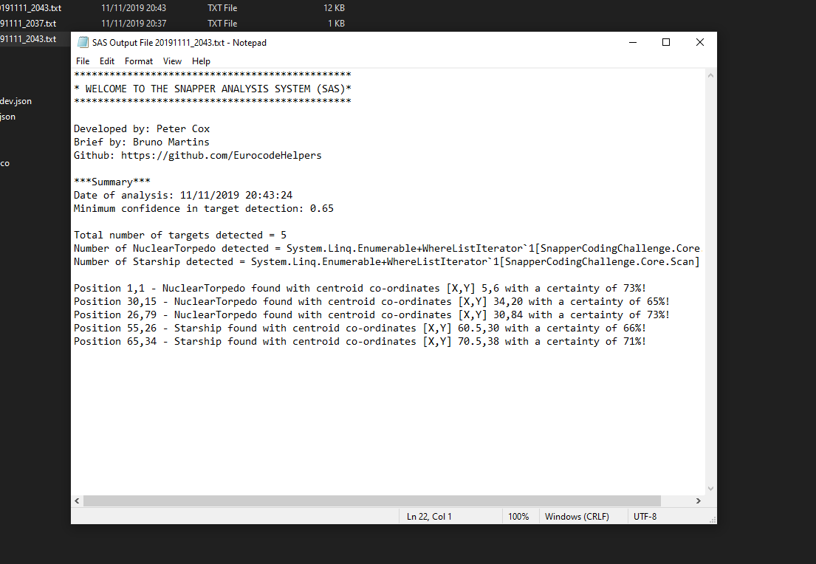
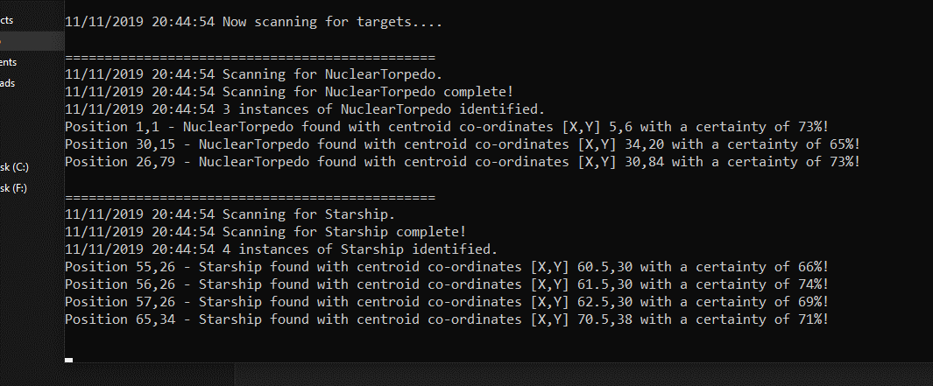
SnapperCodingChallenge V1.1 To Do List

1. Rename Unit Testing proj to SnapperCodingChallenge.Core.Tests
2. Restructure Scanner class to make more encapsulated. |  | 0 | 1 | 2 | 3 | 4 | 5 | 6 | 7 | 8 | 9 | Procedure
3. Add method and unit test to remove duplicates. | 0
4. Add global variable for Snapper Object rather than instantiate it within the console. | 1 |  | X |  |  |  |  |  |  |  |  | 1. Get a subarray with dimensions (rows+cols) equal to the size of the target
5. Add global variable for Snapper Object rather than instantiate it within the console. | 2 |  |  |  |  |  |  |  | X
6. Fix Logo | 3 |  |  |  | X |  |  |  |  |  |  | 2. For each element in the subarray, get the equivelant global co-ordintates relative
 | 4 |  |  |  |  |  |  |  |  |  |  | to the SnapperImage.
 | 5 |  | X
 | 6 |  |  |  |  |  |  |  |  |  |  | 3. Check if the List<scan> contains any elements where targetFound = true and has
 | 7 |  |  |  | X |  |  | X |  |  |  | the same coordinates as the element in the array => if so add it to a new List<Scan> isDuplicate
 | 8
 | 9 |  |  |  |  |  |  |  |  |  |  | 4. Sort the List containing duplicates from lowest to highest.

Sheet2
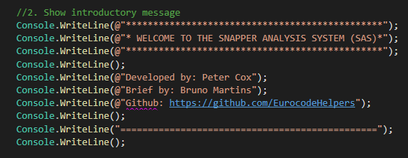
Console Application
 | Actors
Greet the user
 | UI - Something to echo whats actually going on
Set Options | Dump - Something to dump whats being echoed to

Load SnaperImage

Load TargetImage

Pause the Console to Allow User to Eamine Data

Summarise TargetsFound

Write Output File

Write

